Sheet1
 |  | Document No. | Issue No. | Issue Date |  |  | Review and Replace Date |  | Authorised By
 |  | GFF0118MC | 1 | 05.09.2019 |  |  | New Issue
 |  | Document Title | ROSE HARISSA CHICKPEAS TAGINE AND ROASTED SQUASH 460g
 |  |  | Page 1 of 1 |  | Clause |  |  | 6.1 | Magda Shah
Document amendments reason for change |  | New product launch |  |  | Previous Issue Date |  |  | New Issue | Uncontrolled copy unless signed original

FVHCSQ-R8TMC | MINDFUL CHEF |  | ROSE HARISSA CHICKPEAS TAGINE AND ROASTED SQUASH 460g │ FROZEN
STEP 1 |  |  |  |  |  | STEP 2
 |  |  |  |  |  | 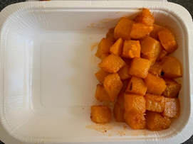

Tray: WHITE OVENABLE BOARD TRAY (PKSOU002-01) |  |  |  |  |  | Diced Butternut Squash 20mm (RMBEA001-02) 170g
Film: 145 X 100 X 250 (PKWRA001-07)
STEP 4 |  |  |  | STEP 5
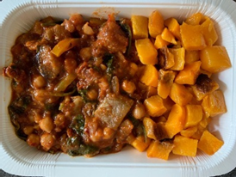 |  |  |  | 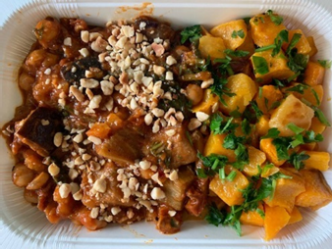

Rose Harissa Tagine Sauce (GFF269R) 283g |  |  |  | Roasted Nib Hazelnuts (2-6mm) (RMKLU001-01) 5g |  |  |  | Parsley Chopped (RTE) (RMIHF001-59) 2g |  | TOTAL WEIGHT: 460g

ALLERGY ALERT: none

